Daily Power Station Chart_15-01
Plant_15/03/2025Chart

Plant:odco1 |  |  | Installed Capacity:111.180kWp
Today Yield(kWh):636.200kWh |  | Today Earning:254480.000TND |  | Today Full Load Hours(h):5.72h

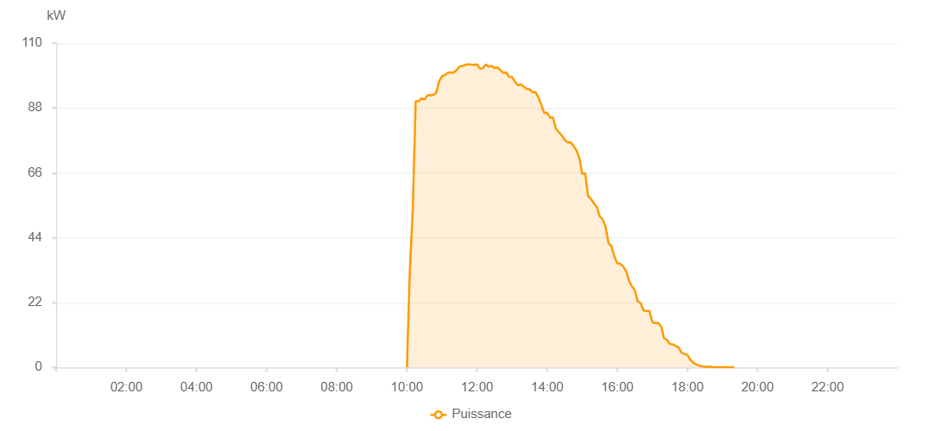

Number | Time | Working State | PV(W) | Instantaneous Radiation(W/㎡)
1 | 06:25:00 | Online | 20.00000 | 0
2 | 06:30:00 | Online | 40.00000 | 0
3 | 06:35:00 | Online | 200.00000 | 0
4 | 06:40:00 | Online | 360.00000 | 1.00000
5 | 06:45:00 | Online | 520.00000 | 4.00000
6 | 06:50:00 | Online | 720.00000 | 9.00000
7 | 06:55:00 | Online | 1850.00000 | 13.00000
8 | 07:00:00 | Online | 2330.00000 | 19.00000
9 | 07:05:00 | Online | 3770.00000 | 28.00000
10 | 07:10:00 | Online | 4750.00000 | 38.00000
11 | 07:15:00 | Online | 6120.00000 | 49.00000
12 | 07:20:00 | Online | 7750.00000 | 65.00000
13 | 07:25:00 | Online | 9000.00000 | 80.00000
14 | 07:30:00 | Online | 10960.00000 | 100.00000
15 | 07:35:00 | Online | 12120.00000 | 121.00000
16 | 07:40:00 | Online | 13100.00000 | 139.00000
17 | 07:45:00 | Online | 14460.00000 | 158.00000
18 | 07:50:00 | Online | 15670.00000 | 186.00000
19 | 07:55:00 | Online | 17190.00000 | 209.00000
20 | 08:00:00 | Online | 24270.00000 | 232.00000
21 | 08:05:00 | Online | 26350.00000 | 247.00000
22 | 08:10:00 | Online | 27490.00000 | 256.00000
23 | 08:15:00 | Online | 30290.00000 | 283.00000
24 | 08:20:00 | Online | 31640.00000 | 309.00000
25 | 08:25:00 | Online | 35550.00000 | 336.00000
26 | 08:30:00 | Online | 39100.00000 | 354.00000
27 | 08:35:00 | Online | 41950.00000 | 391.00000
28 | 08:40:00 | Online | 45520.00000 | 435.00000
29 | 08:45:00 | Online | 47920.00000 | 463.00000
30 | 08:50:00 | Online | 46670.00000 | 461.00000
31 | 08:55:00 | Online | 46950.00000 | 439.00000
32 | 09:00:00 | Online | 48360.00000 | 467.00000
33 | 09:05:00 | Online | 50340.00000 | 499.00000
34 | 09:10:00 | Online | 55540.00000 | 519.00000
35 | 09:15:00 | Online | 56040.00000 | 534.00000
36 | 09:20:00 | Online | 59650.00000 | 547.00000
37 | 09:25:00 | Online | 61780.00000 | 560.00000
38 | 09:30:00 | Online | 62180.00000 | 590.00000
39 | 09:35:00 | Online | 65950.00000 | 593.00000
40 | 09:40:00 | Online | 69040.00000 | 629.00000
41 | 09:45:00 | Online | 71160.00000 | 646.00000
42 | 09:50:00 | Online | 72330.00000 | 667.00000
43 | 09:55:00 | Online | 76700.00000 | 689.00000
44 | 10:00:00 | Online | 77610.00000 | 703.00000
45 | 10:05:00 | Online | 77800.00000 | 719.00000
46 | 10:10:00 | Online | 82210.00000 | 726.00000
47 | 10:15:00 | Online | 82090.00000 | 742.00000
48 | 10:20:00 | Online | 83500.00000 | 756.00000
49 | 10:25:00 | Online | 86840.00000 | 767.00000
50 | 10:30:00 | Online | 86130.00000 | 792.00000
51 | 10:35:00 | Online | 86850.00000 | 793.00000
52 | 10:40:00 | Online | 86660.00000 | 820.00000
53 | 10:45:00 | Online | 84020.00000 | 794.00000
54 | 10:50:00 | Online | 86580.00000 | 835.00000
55 | 10:55:00 | Online | 87330.00000 | 773.00000
56 | 11:00:00 | Online | 90670.00000 | 729.00000
57 | 11:05:00 | Online | 90400.00000 | 869.00000
58 | 11:10:00 | Online | 91070.00000 | 870.00000
59 | 11:15:00 | Online | 92430.00000 | 905.00000
60 | 11:20:00 | Online | 93420.00000 | 894.00000
61 | 11:25:00 | Online | 95860.00000 | 891.00000
62 | 11:30:00 | Online | 97150.00000 | 915.00000
63 | 11:35:00 | Online | 98600.00000 | 910.00000
64 | 11:40:00 | Online | 95620.00000 | 913.00000
65 | 11:45:00 | Online | 95810.00000 | 889.00000
66 | 11:50:00 | Online | 96230.00000 | 602.00000
67 | 11:55:00 | Online | 98080.00000 | 928.00000
68 | 12:00:00 | Online | 98080.00000 | 899.00000
69 | 12:05:00 | Online | 96700.00000 | 911.00000
70 | 12:10:00 | Online | 97060.00000 | 934.00000
71 | 12:15:00 | Online | 97060.00000 | 933.00000
72 | 12:20:00 | Online | 97480.00000 | 934.00000
73 | 12:25:00 | Online | 96740.00000 | 917.00000
74 | 12:30:00 | Online | 96900.00000 | 902.00000
75 | 12:35:00 | Online | 95930.00000 | 896.00000
76 | 12:40:00 | Online | 96190.00000 | 915.00000
77 | 12:45:00 | Online | 96470.00000 | 898.00000
78 | 12:50:00 | Online | 95210.00000 | 881.00000
79 | 12:55:00 | Online | 94850.00000 | 895.00000
80 | 13:00:00 | Online | 92180.00000 | 864.00000
81 | 13:05:00 | Online | 91540.00000 | 856.00000
82 | 13:10:00 | Online | 92570.00000 | 858.00000
83 | 13:15:00 | Online | 90600.00000 | 862.00000
84 | 13:20:00 | Online | 91140.00000 | 854.00000
85 | 13:25:00 | Online | 89970.00000 | 837.00000
86 | 13:30:00 | Online | 90910.00000 | 837.00000
87 | 13:35:00 | Online | 89130.00000 | 856.00000
88 | 13:40:00 | Online | 86010.00000 | 827.00000
89 | 13:45:00 | Online | 86610.00000 | 804.00000
90 | 13:50:00 | Online | 86170.00000 | 818.00000
91 | 13:55:00 | Online | 83950.00000 | 786.00000
92 | 14:00:00 | Online | 81690.00000 | 768.00000
93 | 14:05:00 | Online | 81690.00000 | 760.00000
94 | 14:10:00 | Online | 80810.00000 | 759.00000
95 | 14:15:00 | Online | 77980.00000 | 731.00000
96 | 14:20:00 | Online | 77980.00000 | 721.00000
97 | 14:25:00 | Online | 76310.00000 | 713.00000
98 | 14:30:00 | Online | 75670.00000 | 706.00000
99 | 14:35:00 | Online | 71950.00000 | 672.00000
100 | 14:40:00 | Online | 69050.00000 | 651.00000
101 | 14:45:00 | Online | 67630.00000 | 649.00000
102 | 14:50:00 | Online | 67770.00000 | 638.00000
103 | 14:55:00 | Online | 61100.00000 | 627.00000
104 | 15:00:00 | Online | 60520.00000 | 562.00000
105 | 15:05:00 | Online | 59310.00000 | 587.00000
106 | 15:10:00 | Online | 58090.00000 | 555.00000
107 | 15:15:00 | Online | 54800.00000 | 531.00000
108 | 15:20:00 | Online | 51150.00000 | 516.00000
109 | 15:25:00 | Online | 51000.00000 | 480.00000
110 | 15:30:00 | Online | 49790.00000 | 480.00000
111 | 15:35:00 | Online | 46770.00000 | 464.00000
112 | 15:40:00 | Online | 46300.00000 | 426.00000
113 | 15:45:00 | Online | 34670.00000 | 343.00000
114 | 15:50:00 | Online | 29350.00000 | 330.00000
115 | 15:55:00 | Online | 35910.00000 | 285.00000
116 | 16:00:00 | Online | 33280.00000 | 350.00000
117 | 16:05:00 | Online | 30230.00000 | 270.00000
118 | 16:10:00 | Online | 22130.00000 | 285.00000
119 | 16:15:00 | Online | 23110.00000 | 284.00000
120 | 16:20:00 | Online | 22170.00000 | 266.00000
121 | 16:25:00 | Online | 21160.00000 | 242.00000
122 | 16:30:00 | Online | 23070.00000 | 191.00000
123 | 16:35:00 | Online | 21130.00000 | 172.00000
124 | 16:40:00 | Online | 19760.00000 | 158.00000
125 | 16:45:00 | Online | 19760.00000 | 138.00000
126 | 16:50:00 | Online | 25760.00000 | 142.00000
127 | 16:55:00 | Online | 27250.00000 | 174.00000
128 | 17:00:00 | Online | 20800.00000 | 159.00000
129 | 17:05:00 | Online | 22330.00000 | 158.00000
130 | 17:10:00 | Online | 20280.00000 | 147.00000
131 | 17:15:00 | Online | 19330.00000 | 121.00000
132 | 17:20:00 | Online | 12630.00000 | 102.00000
133 | 17:25:00 | Online | 8350.00000 | 84.00000
134 | 17:30:00 | Online | 6510.00000 | 55.00000
135 | 17:35:00 | Online | 7370.00000 | 50.00000
136 | 17:45:00 | Online | 6760.00000 | 63.00000
137 | 17:50:00 | Online | 6760.00000 | 63.00000
138 | 17:55:00 | Online | 5490.00000 | 47.00000
139 | 18:00:00 | Online | 6190.00000 | 42.00000
140 | 18:05:00 | Online | 6490.00000 | 47.00000
141 | 18:10:00 | Online | 5870.00000 | 50.00000
142 | 18:15:00 | Online | 4550.00000 | 43.00000
143 | 18:20:00 | Online | 3150.00000 | 33.00000
144 | 18:25:00 | Online | 2520.00000 | 20.00000
145 | 18:30:00 | Online | 2140.00000 | 11.00000
146 | 18:35:00 | Online | 1890.00000 | 5.00000
147 | 18:40:00 | Online | 1720.00000 | 2.00000
148 | 18:45:00 | Online | 110.00000 | 0
149 | 18:50:00 | Online | 50.00000 | 0
150 | 18:55:00 | Online | 40.00000 | 0
151 | 19:00:00 | Online | 40.00000 | 0
152 | 19:05:00 | Online | 40.00000 | 0
153 | 19:10:00 | Online | 40.00000 | 0
154 | 19:15:00 | Online | 40.00000 | 0
155 | 19:20:00 | Online | 40.00000 | 0
156 | 19:25:00 | Online | 40.00000 | 0
157 | 19:45:00 | Online | 0.00001 | 0.00001

